Bridge Plank Type AB
 | Installers Checklist - Type AB - Bridge Plank
section | Job Approval Documents/Construction Documents
checkpoint | Complete Material "Bucket List" |  | attachments/photos/Comments
checkpoint | Eye Anchor - 2.5T |  | attachments/photos/Comments
text box
checkpoint | Ferrules - M20 x 96mm |  | attachments/photos/Comments
text box
checkpoint | ID Plate |  | attachments/photos/Comments
text box
section | Pre-Pour Check Approvals
checkpoint | Formwork Check -Panel Dimensions & DOUBLE CHECK | Pass/Fail/NA | attachments/photos/Comments
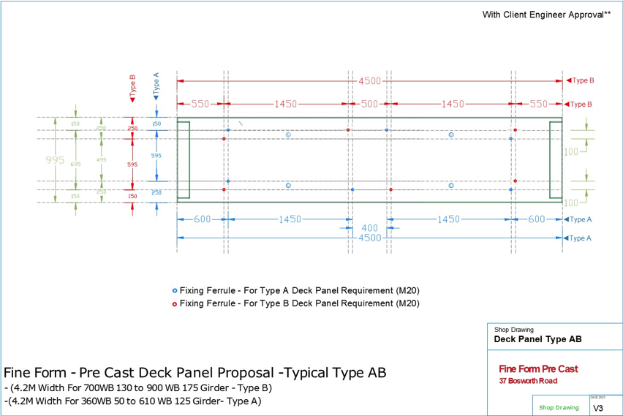 |  |  |  | add this drawing to each repeating items
checkpoint | Apply Debonding agents -bond breaker or wax (1/2/3/ Coats) | Pass/Fail/NA | attachments/photos/Comments | Repeating items | P-1
checkpoint | Temporary Fix ID Plate to Formwork | Pass/Fail/NA | attachments/photos/Comments |  | P-2
checkpoint | Double Check the Ferrule placement -Type AB | Pass/Fail/NA | attachments/photos/Comments |  | P-3
checkpoint | Reinforcement Check - Reo as-per Shop Drawing | Pass/Fail/NA | attachments/photos/Comments |  | P-4
checkpoint | Lifters, Ferrules Fixed Firm & aligned -Check | Pass/Fail/NA | attachments/photos/Comments |  | P-5
checkpoint | Concrete cover Check - minimum 30mm | Pass/Fail/NA | attachments/photos/Comments |  | P-6
section | Quality Assurance |  |  |  | P-7
checkpoint | QA - Final Check of ALL measurements | Pass/Fail/NA | attachments/photos/Comments |  | P-8
checkpoint | QA - Concrete N40 Panel Mix - Special Adjustments | Pass/Fail/NA | attachments/photos/Comments |  | P-9
checkpoint | QA - Concrete mix design ,variations%, adjustments%, mix time | Pass/Fail/NA | attachments/photos/Comments |  | P-10
checkpoint | QA - All main & other requirement to do Concreting -DOUBLE CHECK | Pass/Fail/NA | attachments/photos/Comments |  | P-11
date | Pour Date |  |  |  | P-12
checkpoint | CONCRETE TEST Procedure | Pass/Fail/NA | attachments/photos/Comments |  | P-13
checkpoint | APPROVAL FROM ENGINEER |  |  |  | P-14
section | Other Arrangements |  |  |  | P-15
checkpoint | Concrete surface Finish Requirement arranged | Pass/Fail/NA | attachments/photos/Comments |  | P-16
dropdown | Fine finish |  |  |  | P-17
dropdown | Broom finish |  |  |  | P-18
checkpoint | Curing Procedure arranged | Pass/Fail/NA | attachments/photos/Comments |  | P-19
 |  |  |  |  | P-20
 | Checkers Checklist - Type AB - Bridge Plank |  |  |  | P-21
checkpoint | Site Safety / Workers Safety | Pass/Fail/NA | attachments/photos |  | P-22
checkpoint | Availability of updated shop drawing | Pass/Fail/NA | attachments/photos | add this drawing to each repeating items | P-23
 |  |  |  |  | P-24
 |  |  |  |  | P-25
 |  |  |  |  | P-26
 |  |  |  |  | P-27
 |  |  |  |  | P-28
 |  |  |  |  | P-29
 |  |  |  |  | P-30
 |  |  |  |  | P-31
 |  |  |  |  | P-32
 |  |  |  |  | P-33
 |  |  |  |  | P-34
 |  |  |  |  | P-35
 |  |  |  |  | P-36
 |  |  |  |  | P-37
 |  |  |  |  | P-38
 |  |  |  |  | P-39
 |  |  |  |  | P-40
 |  |  |  |  | P-41
 |  |  |  |  | P-42
checkpoint | Double Check the Ferrule placement -Type AB | Pass/Fail/NA | attachments/photos |  | P-43
checkpoint | Overall Measurements of construction Element | Pass/Fail/NA | attachments/photos |  | P-44
checkpoint | Embedded Item - Ferrules - Position, Size, Orientation -M20 (96mm) | Pass/Fail/NA | attachments/photos |  | P-45
checkpoint | Embedded Item - Lifters Correct - Position,Size,Orientation-4 Nos 2.5T or equal | Pass/Fail/NA | attachments/photos |  | P-46
checkpoint | Concrete cover check minimum 30mm | Pass/Fail/NA | attachments/photos |  | P-47
checkpoint | Panel Thickness check, allignment check | Pass/Fail/NA | attachments/photos |  | P-48
checkpoint | Panel length check, alignment check | Pass/Fail/NA | attachments/photos |  | P-49
checkpoint | Formwork Check - Magnets are 100% Secure, All supports, Ties, Bracing | Pass/Fail/NA | attachments/photos |  | P-50
checkpoint | Formwork Check - Flatness, Levelness, Panel is clean | Pass/Fail/NA | attachments/photos |  | P-51
checkpoint | Reinforcement (Reo) placed, cleaned, tightened | Pass/Fail/NA | attachments/photos |  | P-52
checkpoint | Curing Procedure arranged | Pass/Fail/NA | attachments/photos |  | P-53
checkpoint | Photo Taken | Pass/Fail/NA | attachments/photos |  | P-54
 |  |  |  |  | P-55
 |  |  |  |  | P-56
 |  |  |  |  | P-57
 |  |  |  |  | P-58
 |  |  |  |  | P-59
 |  |  |  |  | P-60

